Home
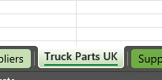
WELCOME TO r2c ONLINE
Please fill in each sheet and include as much data as possible.
Example data has been provided for you to follow at the top of each step.
Telephone number:
0114 399 2430 option 2
E-mail address: implementation@r2conline.com
Suppliers
Add the names and addresses of your parts suppliers, these will populate on the stock take sheet.
Supplier Catalogues
The catalogue is a complete list of parts that you could purchase from the supplier, one sheet per supplier.
Stock Take
The stock take should match the part numbers within the catalogues but should only hold parts that you currently have on the shelf.
Thats Everything!
 | 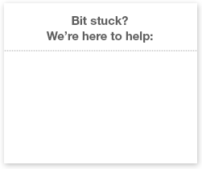
1. To copy the supplier catalogue for other suppliers, right click on the tab and select Move or Copy...
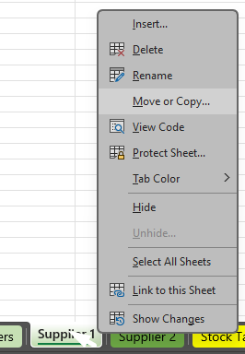
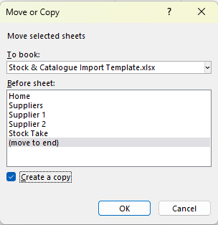

2. Tick the Create a copy box followed by OK.

3. Dont forget to rename the sheets as the suppliers name.

